Instructions for Mod 3 Ex 1
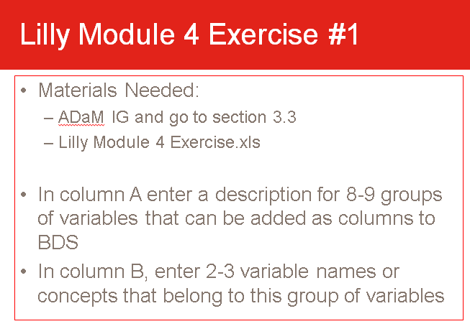

Instructions for Mod 4 Ex 2
